Screen View
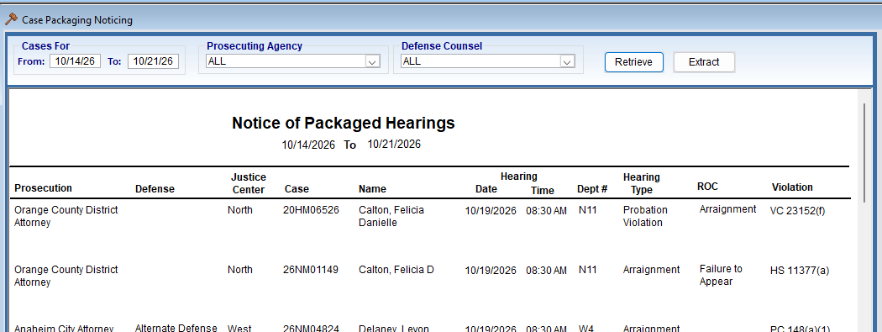
#1 | Filtering on columns |  | Old window does not have filtering functionality
 | Example: Defense is blank for case 20HM06526 and contains data in other columns. When you filter on the blank in the Defense row the NG window should still row data
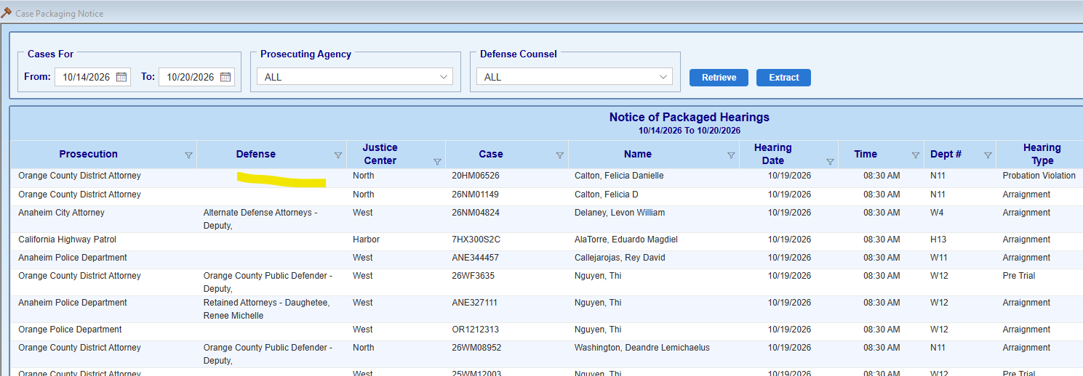

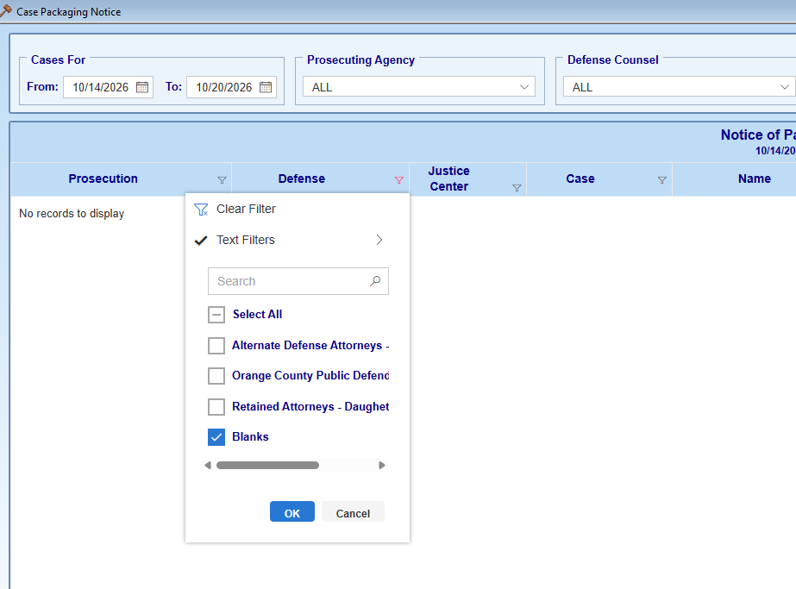

#2
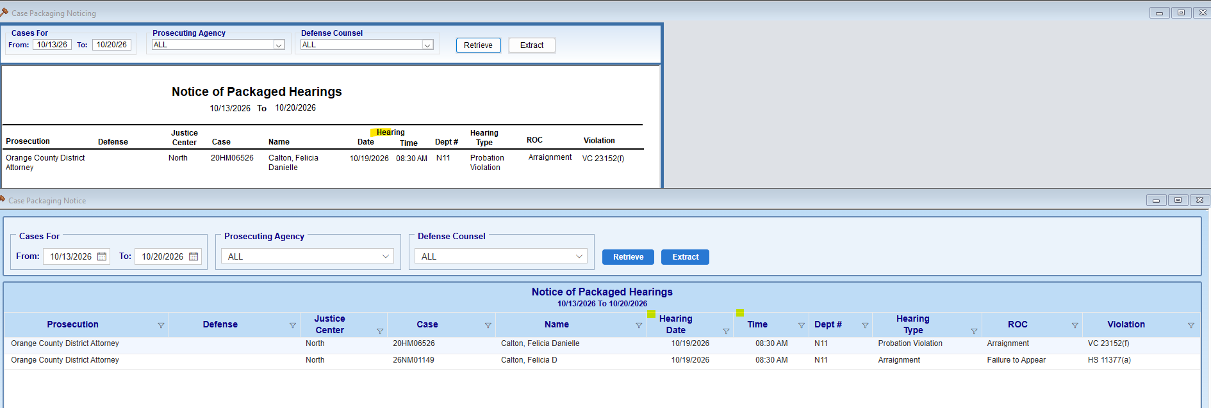

#3

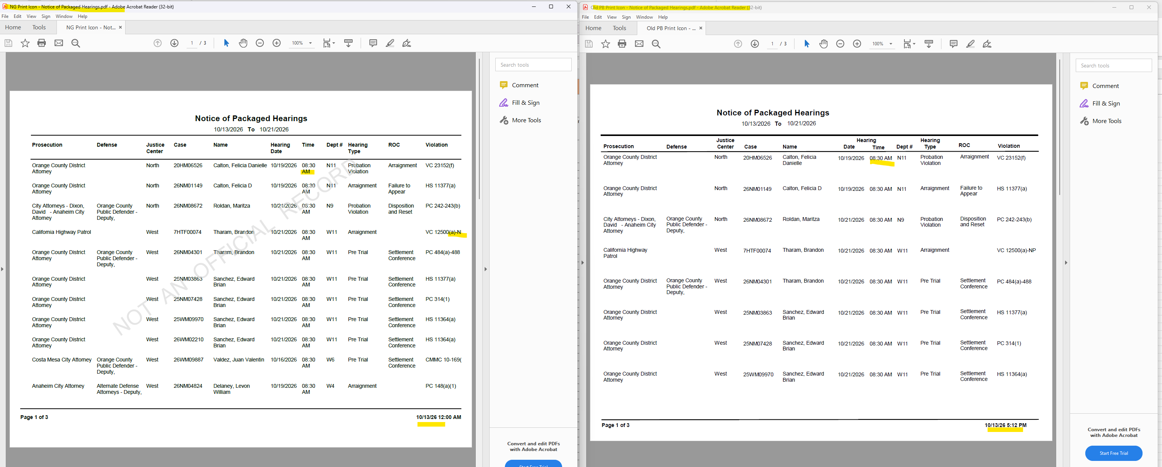

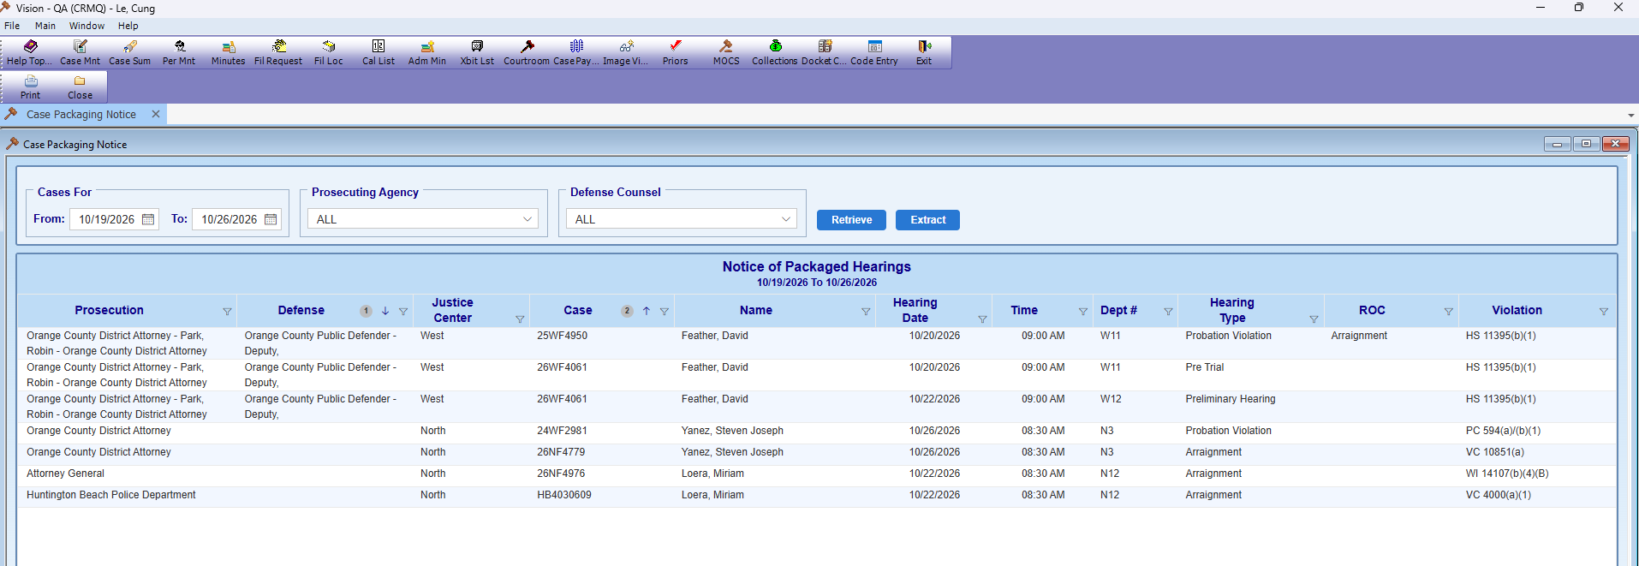
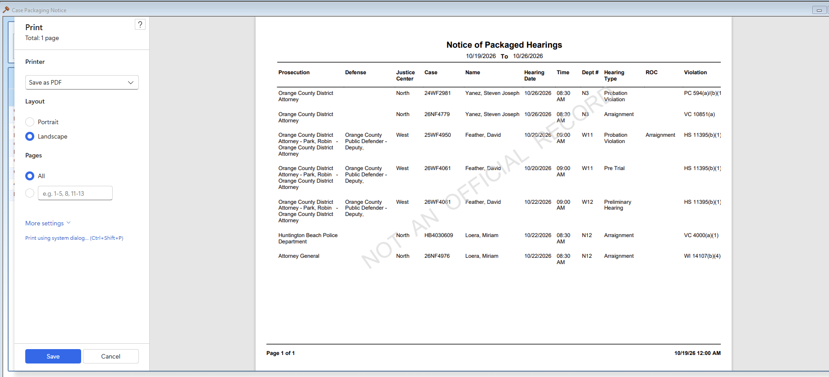
#9

 |  | Extract to excel file

